Geographic Change
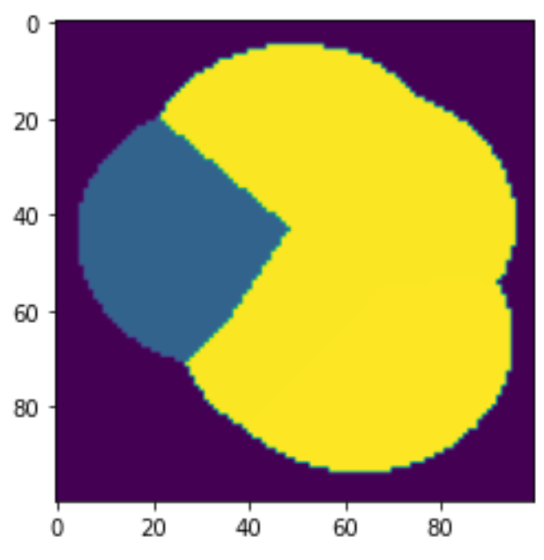
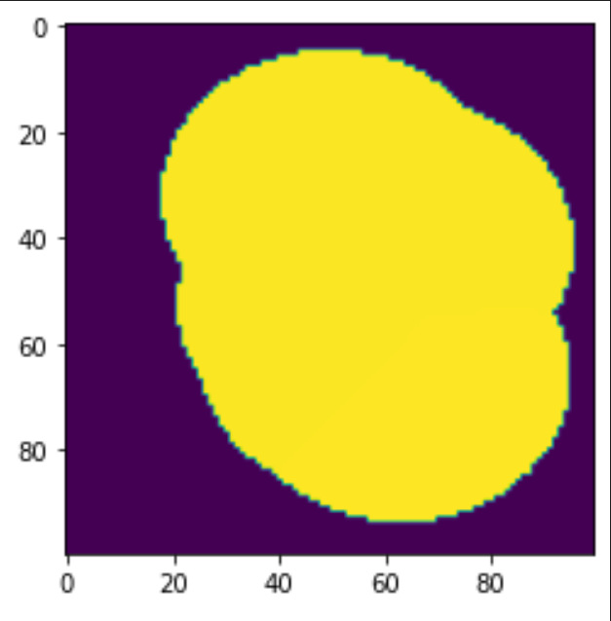
10000 | cells
2.797 sq miles
0.0002797 grid cell |  |  |  |  |  |  |  | Geography | New
 | Baseline | New | Change | Baseline | Base | Base | Change | Modified | System | New | Station
no service | 4532 | 3975 | -12.3% | Fraction | Rate | Occur | Fraction | Occur | Rate | Fraction
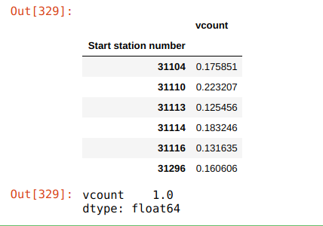
service | 5468 | 6025 | 10.2%
10000 | 0 | 1387 | N/A |  | 27 |  |  |  | 29.750365764 | 0.22088494432 | 10000
31104 | 549 | 530 | -3.5% | 0.175851 | 27 | 4.747977 | -0.03461 | 4.58 | 29.750365764 | 0.15407061713 | 31104
31110 | 1639 | 1221 | -25.5% | 0.223207 | 27 | 6.026589 | -0.25503 | 4.49 | 29.750365764 | 0.15090928986 | 31110
31113 | 628 | 235 | -62.6% | 0.125456 | 27 | 3.387312 | -0.62580 | 1.27 | 29.750365764 | 0.042606034009 | 31113
31114 | 189 | 189 | 0.0% | 0.183246 | 27 | 4.947642 | 0.00000 | 4.95 | 29.750365764 | 0.16630524946 | 31114
31116 | 986 | 986 | 0.0% | 0.131635 | 27 | 3.554145 | 0.00000 | 3.55 | 29.750365764 | 0.11946559004 | 31116
31296 | 1477 | 1477 | 0.0% | 0.160606 | 27 | 4.336362 | 0.00000 | 4.34 | 29.750365764 | 0.14575827519 | 31296
 |  |  |  | 1.000001 |  |  |  |  |  | 1

